3. 系统架构
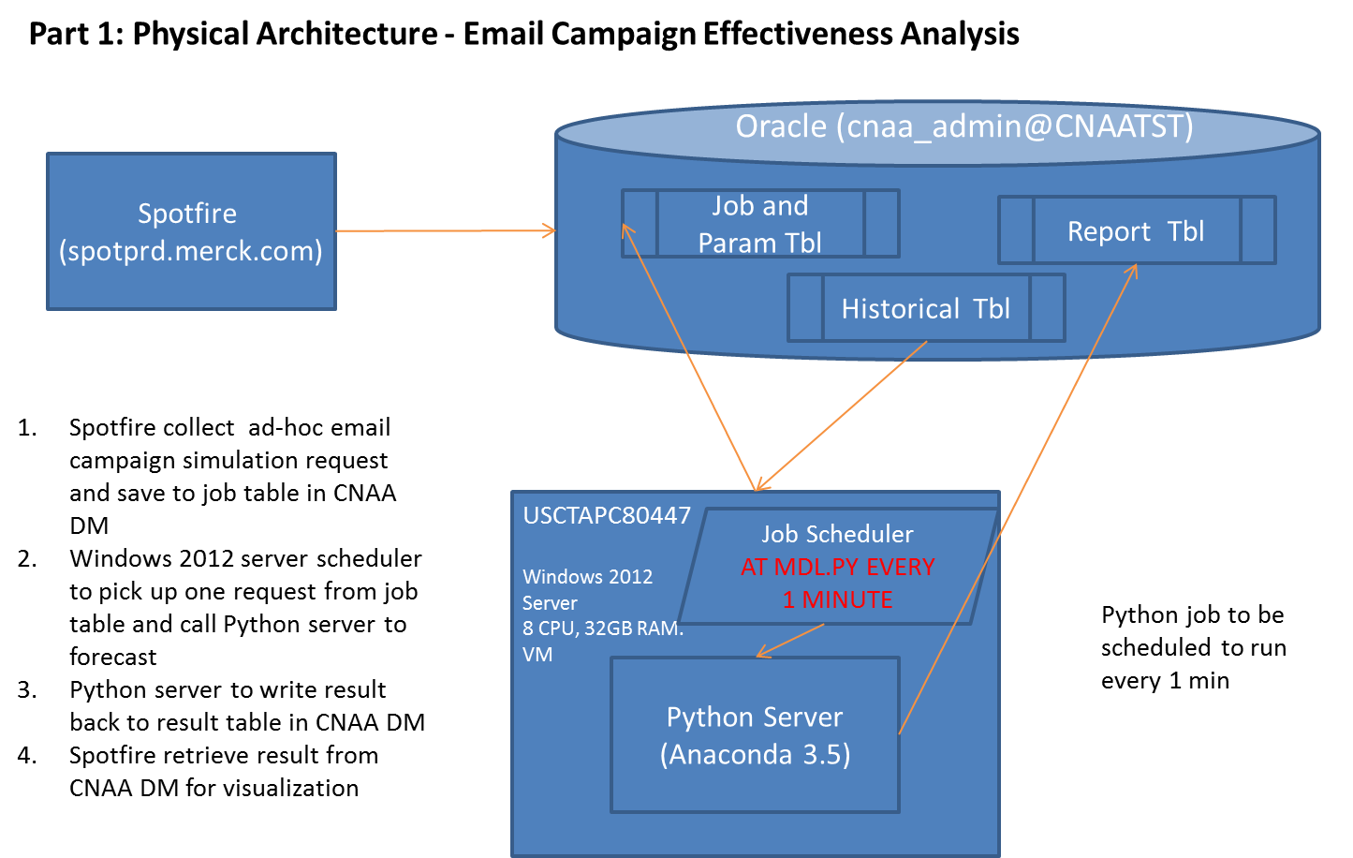
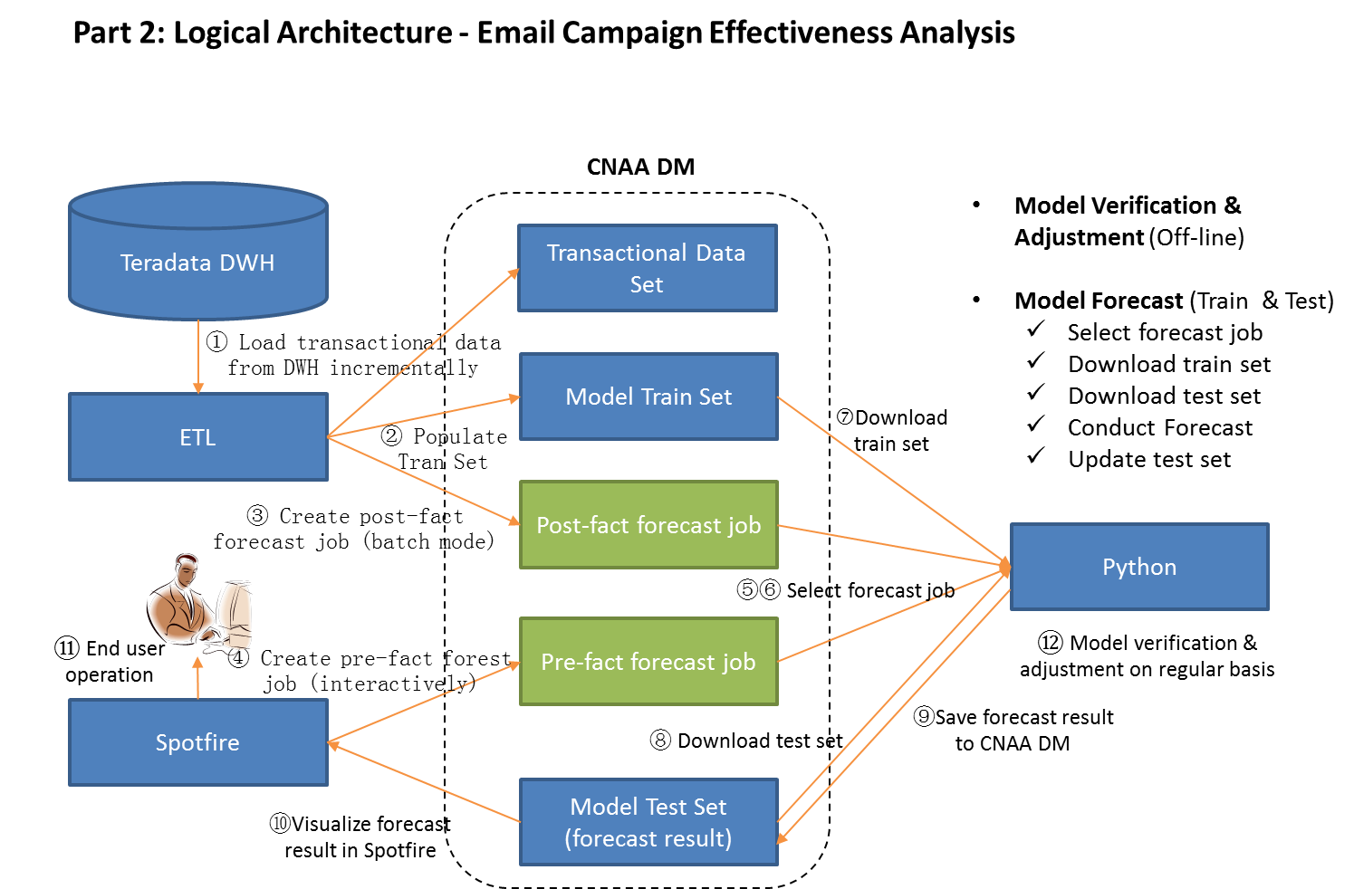
返回目录

4. 系统流程 - 总体 （包括“实际-预测”比较）
返回目录
Start
① ETL to load source data from TD DWH to generate model training data set 1
④ End user to decide final version of pre-fact forecast result by tailering (fitler 1 & 2)
⑦ ETL to load source data from TD DWH to generate model training data set 2
 | No | Process | Description
 | ① | ETL to load source data from TD DWH to generate model training data set 1 in CN_AA_FCT_MDL_HIST | See also 4.1 for details of ETL processing
 | ② | Python server processing, including 3 operations: 1) conduct post-fact forecast against new MLG_ID, using existing forecast engine 2) download new training data set from CN_AA_FCT_MDL_HIST 3) upgrade forecast engine to lastest version | See also 4.4 for details about Python server processing
 | ③ | End user to create pre-fact(online simulation) forecast job on selected target physicians from within Spotfire UI, which will be further processed by forecast engine | See also 4.2 for details
 | ④ | End user to decide final forecast result by specifying filter set 1 and 2 in Spotfire UI | See also 4.3 for details
② Python server processing
③ End user to conduct pre-fact forecast (online simulation) on selected target physicians with most up-to-date forecast engine
⑥ Business either to execute simulated email campaign as per finalized forecast result; or to execute email campaign fully decided by their own
⑤ "Forecast-Actual" comparison in Spotfire visualization
End
 | ⑤ | "Forecast-Actual" comparison in Spotfire visualization | A. "Forecast-Acutal" comparison in initial phase Spotfire to visualize "Forecast-Actual" comparison based on data stored in CN_AA_FCT_CMPRSN_FCAST_ACTL, which is populated by Python server processing detailed in 4.4 B. "Forecast-Acutal" comparison in mature phase For each simulation / forecast result (distinct SBJCT_LINE, PRD_NM, CHNNL_NM, DTTM) which is stored in CN_AA_FCT_MDL_FCAST_RSLT_RPT: 1) Check existence of corresponding acutal campaign records by matching its combined values (SBJCT_LINE, PRD_NM, CHNNL_NM, DTTM) with the same in CN_AA_FCT_MDL_HIST(distinct SBJCT_LINE, PRD_NM, CHNNL_NM, DTTM) 2) If exists, select all physician level records from CN_AA_FCT_MDL_HIST and insert into CN_AA_FCT_MDL_EVL; else return immediately 3) In Spotfire, compare actual result from 2) with simulation result from 1) on KPIs derived from EML_BASE.URL_CLICKED (e.g., # of clicked, # of opened, % of clicked, % of opened etc.) Note: These operations may be done by stored procedure to be scheduled to run 2~3 times per day
 | ⑥ | Business (digital marketing team) either to execute simulated email campaign as per finalized forecast result; or to execute email campaign fully decided by their own. | A. Instructions for initial phase (in its initial phase, online simulation won't be strictly executed by business, post-fact forecast result, instead, will be used for FORECAST-ACTUAL comparison) 1) Business to launch email campaign and collect its feedback at individual MLG_ID level (MLG_ID are processed in the order of MLG_ID value, i.e., from small one to big one) 2) Python server to conduct post-fact forecast upon new email campaign (new MLG_ID) with current forecast engine built upon current training data set (see also 4.4 for details) B. Assumptions for mature phase (in its mature phase, online simulation is expected to be actually executed by business for FORECAST-ACTUAL comparison): - Email campaign to be executed strictly as per simulatipon result, i.e., brand, email subject, channel type, delivery time and target physicians appeared in final version of simulation should be used for actual email campaign - Brand, email subject, channel type and delivery time should match one MLG_ID in CN_AA_FCT_MCM_EML_MLG_SMMRY
 | ⑦ | ETL to load source data from TD DWH to generate model training data set 2 in CN_AA_FCT_MDL_HIST | Similar as ①, see also 4.1 for details of ETL processing

CN_AA_FCT_MDL_HIST

Model Training Data Set - Full Data Set 1 (base)

Model Training Data Set - Full Data Set 1 (base)
Incremental from MLG_ID 1
MLG_ID 1

Model Training Data Set - Full Data Set 2

MLG_ID 2
Model Training Data Set - Full Data Set 2
Incremental from MLG_ID 2

Model Training Data Set - Full Data Set 3

4.1 系统流程 - ETL数据装载
返回目录

Start
① ETL to incrementally load MCM opeational data from Teradata DWH to CNAA DM
② ETL to insert post-fact forecast job and prepare for data requested for forecasting
 | No | Process | Description
 | ① | ETL to incrementally load MCM opeational data from Teradata DWH to CNAA DM | The following 8 tables to be incrementally loaded: - CN_AA_DIM_MCM_PHYS - CN_AA_FCT_MCM_CCC_CNSNT - CN_AA_FCT_MCM_CCC_REF_CD - CN_AA_FCT_MCM_CCC_UID_DWID - CN_AA_FCT_MCM_CNSNT - CN_AA_FCT_MCM_EML_DLVRY_SMMRY - CN_AA_FCT_MCM_EML_MLG_SMMRY - CN_AA_FCT_MCM_EML_TRCKNG_SMMRY - CN_AA_FCT_MCM_PGM - CN_AA_FCT_MCM_PHYS_TRGT - CN_AA_FCT_MCM_VISIT_LOG - CN_AA_FCT_VEEVA_CYCLE_PLAN - CN_AA_LKP_MCM_PRD_CHNNL_MAP
 | ② | ETL to insert post-fact forecast job and prepare for data requested for forecasting | Call procedure SP_CMP_POST_FCT_FCAST_JOB_ID to insert post-fact forecast job and prepare for data requested for forecasting

End
 |  | Note: ETL to be run once per day, recommend timeslot is 0-6am

4.2 系统流程 - Spotfire 任务管理
返回目录

Start
① Spotfire to collect job information
④ Python to scan CN_AA_FCT_MDL_JOB every fixed mintue for new job to be forecasted
 | No | Process | Description
 | ① | Spotfire to collect job information | Collect Job Parameter information such as Brand, Subject Line, Channel / Content Type, Delivery Time from Spotfire Job page
 | ② | Database procedure to save collected information into CN_AA_FCT_MDL_JOB CN_AA_FCT_MDL_JOB_PARAM | 1. Scan CN_AA_FCT_MDL_JOB and CN_AA_FCT_MDL_JOB_PARAM to campare parameter value of existing jobs against procedure supplied parameters value (ISID, Brand, Sbjct, Dlvry_TM, Chnnl_NM) 2. If all 5 parameters match, exit from procedure execution immediately to avoid same user submitting identical request multiple times; Else create one new job with supplied job parameters and set job status as "Intialized"
② Database procedure to save collected information into CN_AA_FCT_MDL_JOB
CN_AA_FCT_MDL_JOB_PARAM
⑤ Python to download candidate data set from CN_AA_FCT_MDL_FCAST_RSLT_ALL and run math model
 | ③ | Database procedure to insert candidate data set into CN_AA_FCT_MDL_FCAST_RSLT_ALL | 1. Insert candidate data sets (physician information from CN_AA_DIM_MCM_PHYS and parameter values of current job) into CN_AA_FCT_MDL_FCAST_RSLT_ALL 2. Set job status as "In Process(Data Ready)" E.g., suppose there are 700K physicians in CN_AA_DIM_MCM_PHYS, then 700K records will be inserted into CN_AA_FCT_MDL_FCAST_RSLT_ALL
③ Database procedure to insert candidate
data set into
CN_AA_FCT_MDL_FCAST_RSLT_ALL
 | ④ | Python to scan CN_AA_FCT_MDL_JOB every fixed mintue for new job to be forecasted | 1. Python to select job from CN_AA_FCT_MDL_JOB (job_status = "In Process(Data Ready)") 2. Set job status as "In Process(Forecast)"
⑥ Python to wirte back forecast result (prob) to CN_AA_FCT_MDL_FCAST_RSLT_ALL
 | ⑤ | Python to download candidate data set from CN_AA_FCT_MDL_FCAST_RSLT_ALL and run math model | 1. Python to download candidate data set from CN_AA_FCT_MDL_FCAST_RSLT_ALL as per Job_ID of select job 2. Python to run mathematical model
 | ⑥ | Python to wirte back forecast result (prob) to CN_AA_FCT_MDL_FCAST_RSLT_ALL | Python to write back forecast result ("Prob") to CN_AA_FCT_MDL_FCAST_RSLT_ALL as per job_id and rslt_id stored in Python data frame
 | ⑦ | Python to update staus of Job in CN_AA_FCT_MDL_JOB | Python to update job status as "Completed"
⑧ Spotfire to refresh Job window with latest forecast result (Job_Status = "Completed")
⑦ Python to update staus of Job in CN_AA_FCT_MDL_JOB
 | ⑧ | Spotfire to refresh Job window with latest forecast result (Job_Status = "Completed") | Spotfire to refresh all pages with up-to-date information from database 1) Job window - latest job entry and status 2) Forecast result visualizations - up-to-date data from CN_AA_FCT_FCAST_RSLT_RPT for highlighted job

End

4.3 系统流程 - Spotfire 目标医生选择
返回目录

Start
 | No | Process | Description
 | ① | End user to specify filters set A (1st seelction) to be applied on current forecast result for visualized study | 1. End user specify 初选 filters and apply on current forecast result 2. Spotfire tracks specified filters to corresponding Document Property
 | ② | End user to specify filters set B (2nd seelction) to be applied on current forecast result for visualized study | 1. End user specify 精选 filters and apply on current forecast result 2. Spotfire tracks specified filters to corresponding Document Property
① End user to specify filters set A (1st seelction) to apply on current forecast result for visualized study
 | ③ | End user to specify filters set C (3rd seelction) to be applied on current forecast result for visualized study | 1. End user specify 终选 filters and apply on current forecast result 2. Spotfire tracks specified filters to corresponding Document Property
② End user to specify filters set B (2nd seelction) to apply on current forecast result for visualized study
 | ④ | Submit final selection result | End user to click "Submit" button (on any pages) to perform the following actions: - All fitlers (set A, seb B, set C) to be collected and saved into CN_AA_FCT_MDL_FILTER - Select final forecast result of current Job from CN_AA_FCT_MDL_FCAST_RSLT_ALL with all filters applied, save selected records into CN_AA_FCT_MDL_FCAST_RSLT_RPT - Refresh final result from CN_AA_FCT_MDL_FCAST_RSLT_RPT for end user's data export operation

③ End user to specify filters set C (3rd seelction) to apply on current forecast result for visualized study

④ Submit final selection result

End

4.4 系统流程 - Python模型训练集数据
返回目录

A. Python的3种任务模式
Python Job Type | Description | Training Data
1 | Model training
2 | Forecast - pre fact (on-line interactive simulation) | Partial data downloaded from CN_AA_FCT_MDL_HIST with regard to MLG_ID stored in CN_AA_FCT_MDL_JOB.REMARK
3 | Forecast - post fact (back-end forecast & comparision) | All data downloaded from CN_AA_FCT_MDL_HIST

B. “实际-预测”比较的定义
 | # of recepients | unique | intersect | # of person who opened | Actual:Forecast post fact
Actual | 800 | 300 | 500 | 320 (100 / 220) | 320:300
Forecast - post fact | 800 | 300 | 500 | 300
Forecast - pre fact | 600 | 100 | 500 | 270 (40 / 230) | 320:230 (Actual: Forecast pre fact, cancelled after discussion)
Assumption | For specific MLG_ID, Teradfata MCM DM contains all feedbacks collected and uploaded in one BI batch job)

C. Python预测引擎用例模拟
mlg_id | Send Time | Actual received time | Trainng Set (Forecast - pre fact) | Trainng Set (Forecast - post fact)
1001 | 2017-01-01 | 2017-02-01 | select * from cn_aa_fct_mdl_hist | select * from cn_aa_fct_mdl_hist where mlg_id < 1001
1002 | 2017-01-02 | 2017-02-02 | select * from cn_aa_fct_mdl_hist | select * from cn_aa_fct_mdl_hist where mlg_id < 1002
1003 | 2017-01-03 | 2017-02-03 | select * from cn_aa_fct_mdl_hist | select * from cn_aa_fct_mdl_hist where mlg_id < 1003
… | … | … | … | …
1010 | 2017-02-01 | 2017-03-01 | select * from cn_aa_fct_mdl_hist | select * from cn_aa_fct_mdl_hist where mlg_id < 1010

D. Python Server Processing

Start
① Select forecast request from job list
② Download training set and decide sub set to be used for forecasting
③ Forecast and save back result
End

No | Process | Description
① | Select forecast request from job list | Scan CN_AA_FCT_MDL_JOB to find out JOB_ID that to be forecasted in next step, Sample script: select job_id into p_job_id, remark into p_mlg_id, from cn_aa_fct_mdl_job where status = 'In Proces(Data Ready)'
② | Download training set and decide sub set to be used for forecasting | Download training set as per type of forecast job (decided by value of p_mlg_id) If p_mlg_id is not null (post-fact forecast) then [Obsolete] Mar 20, 2017 select * from cn_aa_fct_mdl_hist where mlg_id < p_mlg_id select * from cn_aa_fct_mdl_hist where dttm <= p_trn_strt_tm Note: p_trn_strt_tm = (select trn_strt_tm from cn_aa_fct_mdl_job where job_id = p_job_id) Else If p_mlg_id is null (pre-fact forecast) then select * from cn_aa_fct_mdl_hist
③ | Forecast and save back result | 1) Python server to download test set using SQL statement similar as the following: select * from cn_aa_fct_mdl_fcast_rslt_all where job_id = p_job_id 2) Python server to forecast probablity at rslt_id level 3) Python server to write back forecast result STEP 1: write result (rslt_id, prob) to interim table CN_AA_FCT_MDL_FCAST_RSLT_STG STEP 2: call procedure sp_cmp_upd_fcast_rslt to write result from interim CN_AA_FCT_MDL_FCAST_RSLT_STG to final table CN_AA_FCT_MDL_FCAST_RSLT_ALL

5.3 实体关系图
返回目录

CN_AA_CFG_SYS_PARAM
CN_AA_FCT_MDL_JOB
CN_AA_FCT_MDL_JOB_FILTER

CN_AA_DIM_MCM_PHYS

CN_AA_FCT_MDL_JOB_PARAM

CN_AA_FCT_MDL_HIST

CN_AA_FCT_MDL_FCAST_RSLT_ALL
CN_AA_FCT_MDL_FCAST_RSLT_RPT

CN_AA_LKP_MCM_PRD_CHNNL_MAP

CN_AA_FCT_MDL_FCAST_RSLT_EVL

CN_AA_FCT_MCM_CCC_REF_CD
CN_AA_FCT_MCM_CCC_UID_DWID
CN_AA_FCT_MCM_CCC_CNSNT

CN_AA_FCT_MCM_CNSNT
CN_AA_FCT_MCM_EML_DLVRY_SMMRY
CN_AA_FCT_MCM_EML_MLG_SMMRY

CN_AA_FCT_MCM_EML_TRCKNG_SMMRY
CN_AA_FCT_MCM_PGM
CN_AA_FCT_MCM_PHYS_TRGT

CN_AA_FCT_MCM_VISIT_LOG

6.1 报表 - 任务管理
返回目录

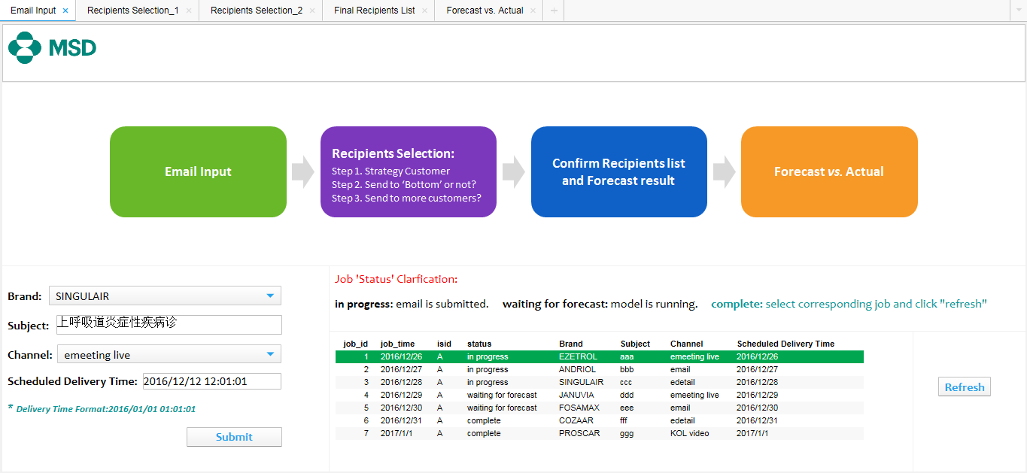

 | 编号 | 图表内容 | 图表类型 | 说明 | 信息链接 | 过滤条件 | 维度 | 指标 | 颜色 | 标记
 | 1 | MSD标志 | 文本框
 | 2 | 用户使用流程说明 | 文本框
 | 3 | 参数输入和提交按钮 | 文本框 | 将参数输入后写入数据库表同时后台新增jobid并将数据导入到forcastall | CN_AA_FCT_MDL_JOB和CN_AA_FCT_MDL_JOB_PARAM_REPORT
 | 4 | job status说明 | 文本框
 | 5 | job status list | 表 | 向用户展示当前登录用户所有job status 提示用户哪些job已经完成可以查看使用 | CN_AA_FCT_MDL_JOB_PARAM_REPORT
 | 6 | refresh按钮 | 文本框 | 用户点击相应的job后 刷新该job的数据 | 按需加载cn_aa_fct_mdl_fcast_rslt_all | CN_AA_FCT_MDL_JOB_PARAM_REPORT的jobid

 | 编号 | 参数内容 | 参数名称 | 格式 | 来源于数据表 | 列
 | 3 | 参数输入 | prdnm | varchar | forecast | PRD_NM
 |  |  | sbjct | varchar | 自定义输入
 |  |  | chnnlnm | varchar | forecast | CHNNL_NM
 |  |  | datetime | date | 自定义输入

 | 编号 | 图标内容 | 图标名称 | 功能说明 | 备注说明
 | 3 | 提交按钮 | submit | 刷新CN_AA_FCT_MDL_JOB的信息链接和 CN_AA_FCT_MDL_JOB_PARAM_REPORT信息链接 | job信息链接执行操作job_param_report刷新告知用户当前job状态

 | 编号 | 信息链接名称 | 操作 | 操作说明
 | 3 | CN_AA_FCT_MDL_JOB | 新增job | 每次点击submit按钮后在cn_aa_fct_mdl_job表中新增一个jobid
 |  |  | 参数反写 | 将4个参数写入cn_aa_fct_mdl_job_param表中
 |  |  | forecast_all插入数据 | 将eml_phys_forecast视图中的数据插入cn_aa_fct_mdl_fcast_rslt_all表中并对应jobid

 | 编号 | 图标内容 | 图标名称 | 功能说明 | 备注说明
 | 5 | 刷新按钮 | refresh | 根据CN_AA_FCT_MDL_JOB_PARAM_REPORT所标记的jobid按需加载cn_aa_fct_mdl_fcast_rslt_all

6.2 报表 - 目标医生初选
返回目录

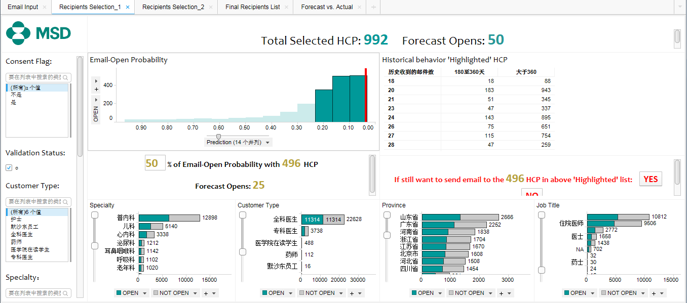

 | 编号 | 图表内容 | 图表类型 | 说明 | 信息链接 | 过滤条件 | 维度 | 指标 | 颜色 | 标记
 | 1 | MSD标志 | 文本框
 | 2 | total select forecast open | 文本框 | 在用户选择条件后，显示当前条件下的HCP和open | cn_aa_fct_mdl_fcast_rslt_all | 参数内的过滤条件 |  | HCP：UniqueCount([PHYS_ID]) OPEN：UniqueCount([PHYS_ID])*系数
 | 3 | 参数输入 | 文本框 | 输入过滤条件
 | 4 | 各区间内probility的open | 条形图 | 在用户选择过滤条件后，显示该集合内不同probility的区间的open情况，并可让用户在不同的probility区间内选择可能性较低的范围 | cn_aa_fct_mdl_fcast_rslt_all | 参数内的过滤条件 | probility | OPEN：UniqueCount([PHYS_ID])*系数 |  | 标记
 | 5 | 百分比多少的open probility 需要多少HCP forecast opens多少 | 文本框 | 在用户选择过滤条件后，在图表4中标记的集合的HCP和open反推% | cn_aa_fct_mdl_fcast_rslt_all | 图表4中的标记的范围
 | 6 | 历史上收到的邮件数和最后一次收到的日期至当前日期的天数 | 交叉表 | 选择图表4后显示该范围内的用户在历史上收到的邮件数量和至今的天数
 | 7 | 是否排除所选的数据 | 文本框 | 对用户选择图表4后的数据范围做操作 是：全量数据导出 否：去除图表4范围数据后导出
 | 8 | 科室的open not open | 条形图 | 选择图表4后显示该范围内的用户的情况 | cn_aa_fct_mdl_fcast_rslt_all | 图表4中的标记的范围 | 科室
 | 9 | 客户类型的open not open | 条形图 | 选择图表4后显示该范围内的用户的情况 | cn_aa_fct_mdl_fcast_rslt_all | 图表4中的标记的范围 | cust_type
 | 10 | 省份的open not open | 条形图 | 选择图表4后显示该范围内的用户的情况 | cn_aa_fct_mdl_fcast_rslt_all | 图表4中的标记的范围 | prvnc
 | 11 | 工作名称的open not open | 条形图 | 选择图表4后显示该范围内的用户的情况 | cn_aa_fct_mdl_fcast_rslt_all | 图表4中的标记的范围 | job_title

 | 编号 | 参数内容 | 参数名称 | 格式 | 来源于数据表 | 列
 | 3 | 参数输入 | consent_flag | varchar | forecast
 |  |  | validation_status | varchar | forecast
 |  |  | cust_type | varchar | forecast
 |  |  | target_customer | varchar | forecast
 |  |  | job_title | varchar | forecast
 |  |  | prvn_nm | varchar | forecast
 |  |  | specialty | varchar | forecast

 | 编号 | 图标内容 | 图标名称 | 功能说明 | 备注说明
 | 7 | 是 | 是 | 全量数据导出
 |  | 否 | 否 | 去除图表4范围数据后导出 | job信息链接执行操作job_param_report刷新告知用户当前job状态

 | 编号 | 信息链接名称 | 操作 | 操作说明
 |  | cn_aa_fct_mdl_fcast_rslt_all

6.3 目标医生精选
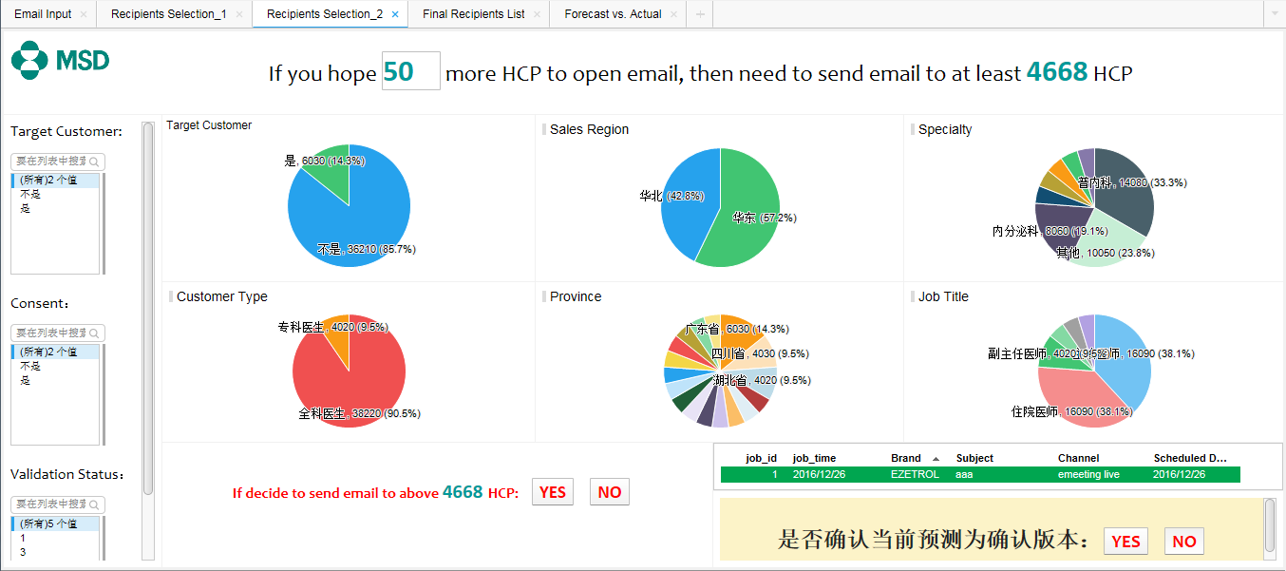
返回目录

6.4 报表 - 目标医生终选
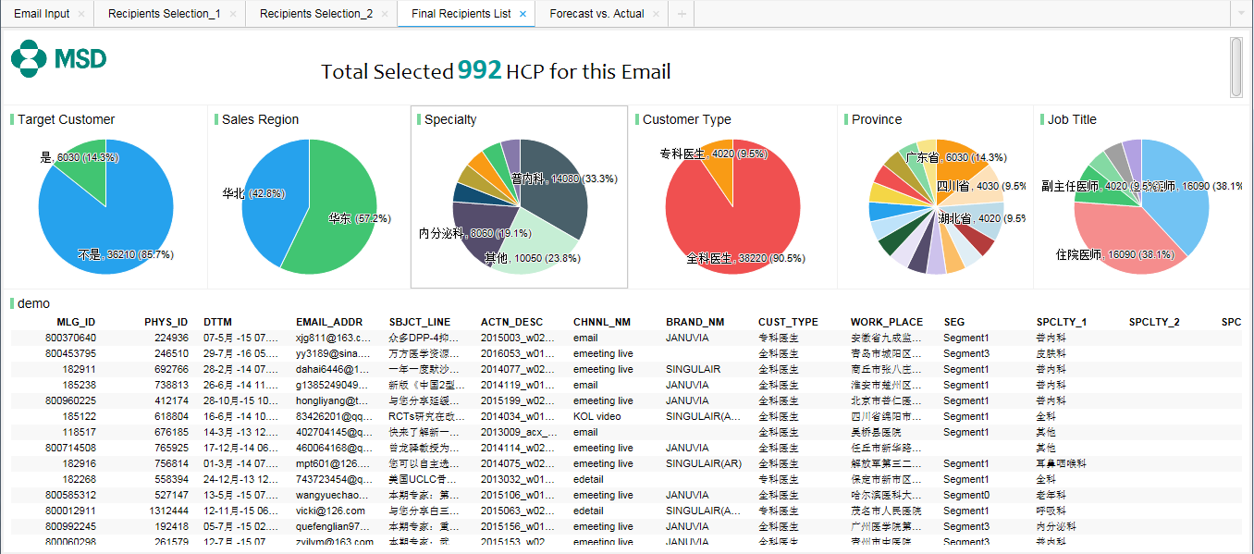
返回目录

6.5 报表 - 预测结果 vs. 实际结果
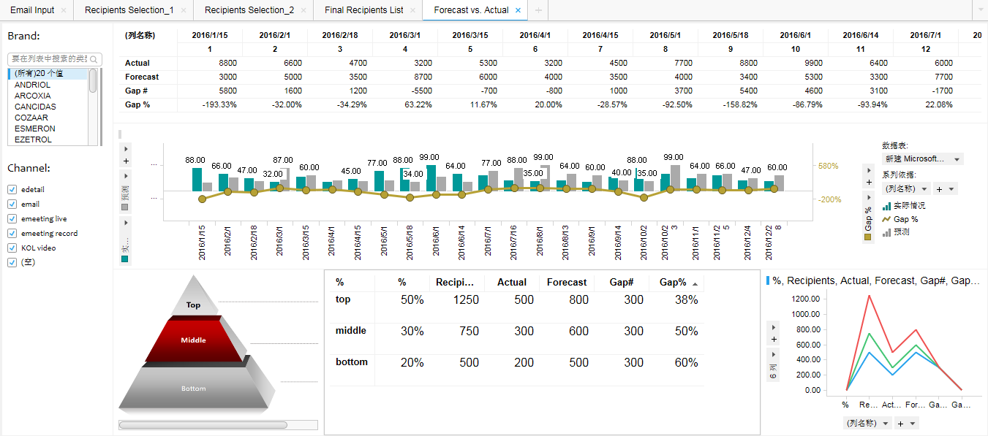
返回目录 | Python Job Type | Description
 | 1 | Model training
 | 2 | on-line interactive simulation | v10
 | 3 | back-end forecast & comparision | v10

 |  | # of recepients | unique | intersect | # of person who opened | Actual:Forecast post fact
 | Actual | 800 | 300 | 500 | 320 (100 / 220) | 320:300
 | Forecast - post fact | 800 | 300 | 500 | 300
 | Forecast - pre fact | 600 | 100 | 500 | 270 (40 / 230) | 320:230 (Actual: Forecast pre fact, cancelled after discussion)
 | Assumption | For specific MLG_ID, Teradfata MCM DM contains all feedbacks collected and uploaded in one BI batch job)

 |  | Python | Forecast - post fact | Actual | mlg_id
 |  | v10 | x | x | 1001
 |  | v11 |  |  | 1002
 | Current | v12 |  |  | 1003

 | mlg_id | Send Time | Actual received time | Forecast - pre fact | Forecast - post fact | Python | Actual:Forecast post fact
 | 1001 | 2017-01-01 | 2017-02-01 | v10 | v10 | train set (<1001)
 | 1002 | 2017-01-02 | 2017-02-02 | v10 | v11 | train set (<1002)
 | 1003 | 2017-01-03 | 2017-02-03 | v10 | v12 | train set (<1003)
 | … | … | … | … | … | …
 | 1010 | 2017-02-01 | 2017-03-01 | v11 | vxx | train set (<1010)

